Project 1 Data recipes_muffins
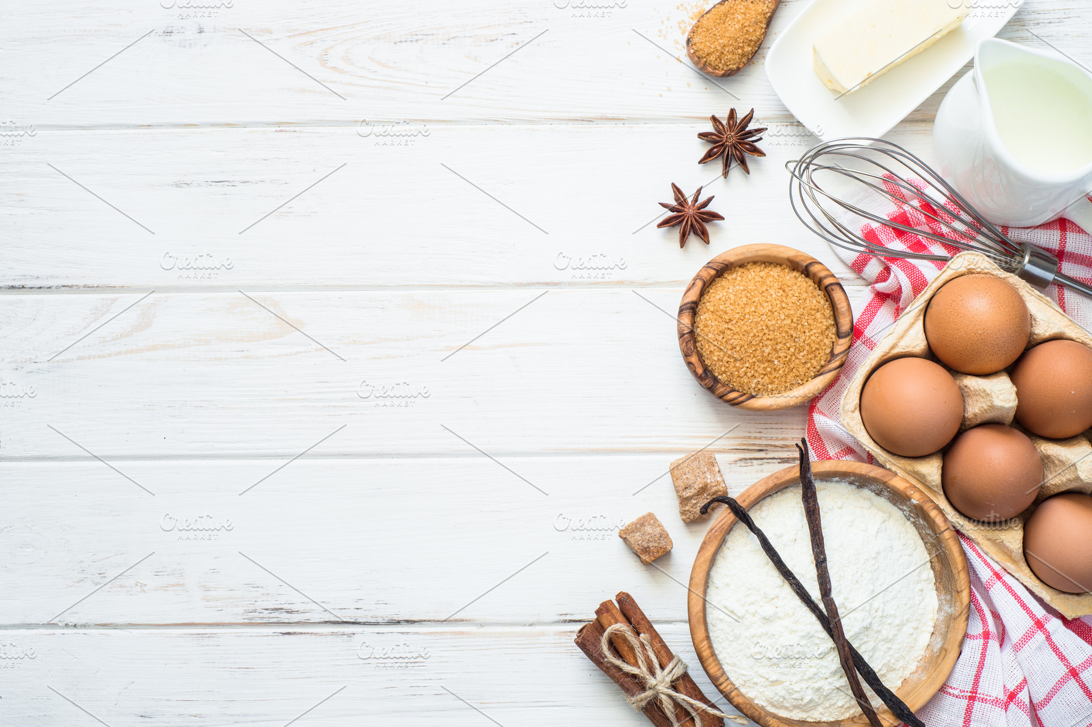
Type | Flour | Milk | Sugar | Butter | Egg | Baking Powder | Vanilla | Salt
Muffin | 55 | 28 | 3 | 7 | 5 | 2 | 0 | 0 |  | FIRST INSIGHTS OF THE DATA
Muffin | 47 | 24 | 12 | 6 | 9 | 1 | 0 | 0
Field: Milk and Field: Sugar appear highly correlated.
Muffin | 47 | 23 | 18 | 6 | 4 | 1 | 0 | 0
Muffin | 45 | 11 | 17 | 17 | 8 | 1 | 0 | 0
Muffin | 50 | 25 | 12 | 6 | 5 | 2 | 1 | 0
Muffin | 55 | 27 | 3 | 7 | 5 | 2 | 1 | 0
Muffin | 54 | 27 | 7 | 5 | 5 | 2 | 0 | 0
Muffin | 47 | 26 | 10 | 10 | 4 | 1 | 0 | 0
Muffin | 50 | 17 | 17 | 8 | 6 | 1 | 0 | 0
Muffin | 50 | 17 | 17 | 11 | 4 | 1 | 0 | 0
Cupcake | 39 | 0 | 26 | 19 | 14 | 1 | 1 | 0
Cupcake | 42 | 21 | 16 | 10 | 8 | 3 | 0 | 0
Cupcake | 34 | 17 | 20 | 20 | 5 | 2 | 1 | 0
Cupcake | 39 | 13 | 17 | 19 | 10 | 1 | 1 | 0
Cupcake | 38 | 15 | 23 | 15 | 8 | 0 | 1 | 0
Cupcake | 42 | 18 | 25 | 9 | 5 | 1 | 0 | 0
Cupcake | 36 | 14 | 21 | 14 | 11 | 2 | 1 | 0
Cupcake | 38 | 15 | 31 | 8 | 6 | 1 | 1 | 0
Cupcake | 36 | 16 | 24 | 12 | 9 | 1 | 1 | 0
Cupcake | 34 | 17 | 23 | 11 | 13 | 0 | 1 | 0

'Flour' by 'Type' and 'Vanilla'
 | 0 | 1
Cupcake | 42 | 36.75
Muffin | 49.375 | 52.5
 |  |  |  |  |  | Average of Flour | Vanilla
 |  |  |  |  |  | Type | 0 | 1 | Grand Total
 |  |  |  |  |  | Muffin | 49.375 | 52.5 | 50
 |  |  |  |  |  | Grand Total | 49.375 | 52.5 | 50

Muffins milk vs sugar
Distribution of values between Milk and Sugar for Muffins

1. Pivot table |  |  | 2. Column chart

Milk and Sugar for Muffin/Cupcake
Type | Muffin

Row Labels | Sum of Milk | Sum of Sugar
11 | 11 | 17
17 | 34 | 34
23 | 23 | 18
24 | 24 | 12
25 | 25 | 12
26 | 26 | 10
27 | 54 | 10
28 | 28 | 3
Grand Total | 225 | 116

 |  |  | 3. Line plot with markers

Milk and Sugar for Muffin/Cupcake

Egg and butter in muffins vs cu
Distribution of egg and butter in both muffins and cupcakes

1. Pivot table |  |  | 2. Line plot with markers

Egg and butter in muffins/cupcakes
Type | Muffin

Test | Sum of Butter | Sum of Egg
11 | 17 | 8
17 | 19 | 10
23 | 6 | 4
24 | 6 | 9
25 | 6 | 5
26 | 10 | 4
27 | 12 | 10
28 | 7 | 5
Grand Total | 83 | 55

 |  |  | 3. Histogram of butter vs egg values for both muffins and cupcakes

Egg and butter in muffins/cupcakes

Types analysis
Type | Cupcake

Row Labels | Sum of Sugar | Sum of Flour | Sum of Butter | Sum of Vanilla | Sum of Salt | Sum of Baking Powder | Sum of Egg
0 | 26 | 39 | 19 | 1 | 0 | 1 | 14
13 | 17 | 39 | 19 | 1 | 0 | 1 | 10
14 | 21 | 36 | 14 | 1 | 0 | 2 | 11
15 | 54 | 76 | 23 | 2 | 0 | 1 | 14
16 | 24 | 36 | 12 | 1 | 0 | 1 | 9
17 | 43 | 68 | 31 | 2 | 0 | 2 | 18
18 | 25 | 42 | 9 | 0 | 0 | 1 | 5
21 | 16 | 42 | 10 | 0 | 0 | 3 | 8
Grand Total | 226 | 378 | 137 | 8 | 0 | 12 | 89

Distribtion of ingredients
Distribtion of ingredients

Dashboards
DATA ANALYSIS PROJECT 1 DASHBOARD

Milk and Sugar for Muffin/Cupcake
 | Sum of Milk | Sum of Sugar
11 | 11 | 17
17 | 34 | 34
23 | 23 | 18
24 | 24 | 12
25 | 25 | 12
26 | 26 | 10
27 | 54 | 10
28 | 28 | 3
Egg and butter in muffins/cupcakes
 | Sum of Butter | Sum of Egg
11 | 17 | 8
17 | 19 | 10
23 | 6 | 4
24 | 6 | 9
25 | 6 | 5
26 | 10 | 4
27 | 12 | 10
28 | 7 | 5

Milk and Sugar for Muffin/Cupcake
 | Sum of Milk | Sum of Sugar
11 | 11 | 17
17 | 34 | 34
23 | 23 | 18
24 | 24 | 12
25 | 25 | 12
26 | 26 | 10
27 | 54 | 10
28 | 28 | 3
Distribtion of ingredients
 | Sum of Sugar | Sum of Flour | Sum of Butter | Sum of Vanilla | Sum of Salt | Sum of Baking Powder | Sum of Egg
0 | 26 | 39 | 19 | 1 | 0 | 1 | 14
13 | 17 | 39 | 19 | 1 | 0 | 1 | 10
14 | 21 | 36 | 14 | 1 | 0 | 2 | 11
15 | 54 | 76 | 23 | 2 | 0 | 1 | 14
16 | 24 | 36 | 12 | 1 | 0 | 1 | 9
17 | 43 | 68 | 31 | 2 | 0 | 2 | 18
18 | 25 | 42 | 9 | 0 | 0 | 1 | 5
21 | 16 | 42 | 10 | 0 | 0 | 3 | 8

